How to Download
 | Click "File"

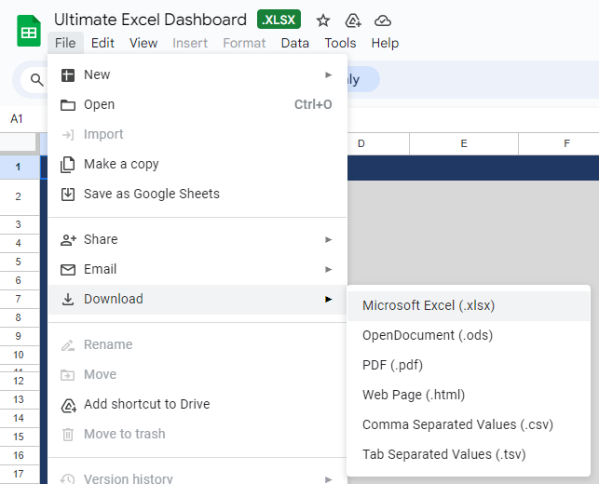

then Choose Download to Microsoft Excel

Dashboard


